1. Title Page
[Instacart Grocery Basket Analysis]

Project Name: Grocery Basket Analysis
Analyst Name: Timia Kennerly

Contents:
Population Flow
Consistency checks
Wrangling steps
Column derivations
Visualizations
Recommendations

2. Population Flow
Title page

Population flow

Exclusion flag
Condition: max_order <
Obervations to be removed:
Final total count of order_products_all: 32399732 Count with all NaN dropped = 29298683

Orders_products_combined
Orders_prods_merged
Orders_prods_all

Total: 32399732
Total:32,434,489
Total: 32399732

1.) The grey boxes in the first row of the population flow represent the original data sets as they were when you downloaded them. In the Total fields you need to add the count of the rows when you imported the data set into Jupyter.
2.) The second row of boxes (coloured) represents the data sets after you manipulated them, e.g., removed missing values and duplicates. In the Total fields you need to add the count of the rows after conducting these operations. This offers a visual oveview of how the data flows throughout the data consistency checks.
3.) The third row, where also the arrows are coloured, represents the merges you performed between the datasets. In the Total fields you need to add the count of the rows in the merged datasets, so that you end up with the final dataset (in the red box). Keep in mind the final dataset should be without exclusions (based on the exclusion flag).

3. Consistency checks
 |  |  |  | Title page
Consistency checks

Dataset | Missing values | Missing values treatment | Duplicates
orders | 206,209 - in "days_since_prior_order" | Impute the value with the mean | 0 rows removed
products | 16 - in "product_name" | Removed | 16 rows removed
orders_products_prior | n/a | n/a | n/a
customers | n/a | n/a | n/a
orders_products_all | n/a | n/a | n/a

4. Wrangling steps
 |  |  |  | Title page
Wrangling steps

Columns dropped | Columns renamed | Columns' type changed | Comment/Reason
"eval_set" |  |  | Unnecessary to analysis (Ex 4.4)
 | "order_dow" |  | Because "orders_day_of_week" was considered easier to interpret
 |  | "order_id" (int --> str) | Unnecessary to analysis (Ex 4.4)
 |  | "user_id" (int --> str) | Unnecessary to analysis (Ex 4.4)
"First Name" |  |  | Not needed for analysis & personally identifiable information (Ex 4.9)
"Surnam" |  |  | Not needed for analysis & personally identifiable information (Ex 4.9)
 | "Gender" |  | Adjusted for consistency (Ex 4.9)
 | "STATE" |  | Adjusted for consistency (Ex 4.9)
 | "Age" |  | Adjusted for consistency (Ex 4.9)
 | "_merge" |  | Original merge flag caused error in Ex 4.9 when customer data had to be merged with the orders_products data
 | "_merge" |  | Renamed to identify against the other merge flag (named merge_2)
 |  | "product_id" (int64 --> int32) | Save on memory
 |  | "aisle_id" (int64 --> int32) | Save on memory
 |  | "department_id" (int64 --> int32) | Save on memory
 |  | "order_id" (str --> int32) | Save on memory
 |  | "user_id" (str --> int32) | Save on memory
 |  | "order_number" (int64 --> int32) | Save on memory
 |  | "order_hour_of_day" (int64 --> int32) | Save on memory
 |  | "max_order" (int64 --> int32) | Save on memory
 |  | "user_id" (int64-->int32) | In customer data to merge with ords_prods_merge data
 |  | "age" (int64 --> int8) | Save on memory (Ex 4.9)
 |  | "n_dependants" (int64 --> int8 | Save on memory (Ex 4.9)
 |  | "income" (int64 --> int32) | save on memory (Ex 4.9)

5. Column derivations
 |  |  |  | Title page

Column derivations and aggregations

In this tab you should add tables below that the frequences of flags/label variables that you produced after deriving them. NB: don't do this for continuous variables, only for flags.
Dataset | New column | Column/s it was derived from | Conditions
orders_checked | first_order | days_since_prior_order | ["days_since_prior_order"].isnull() days_since_prior_order - Min value likely indicates orders made on the same day (or within 24 hours of previous order). Max value is capped at 30 (per the data dictionary). Missing values are assigned where order_number = 1 (matches up perfectly with max user_id 206,209.
df_merged_large (orders products merged) | price_range | prices | Low-range: <= $2.5 Mid_low-range: > $2.5 and <= $5 Mid-range: > $5 and<= $7.5 Mid_high-range: > $7.5 and <= $12.5 High-range: >= $12.5
df_merged_large (orders products merged) | busiest_days | orders_day_of_week | Busiest days (11,862,627): if value in [0, 1] Slowest days (7,623,037): elif value in [3, 4] Regularly busy (12,914,068): else (value in [2, 5, 6])
df_merged_large (orders products merged) | busiest_period_of_day | order_hour_of_day | Most orders (21,114,733): if value in [10, 11, 14, 15, 13, 12, 16, 9] Average orders (9,996,048): elif value in [17, 8, 18, 19, 20, 7, 21, 22] Fewest orders (1,288,951): else (value in [23, 6, 0, 1, 5, 2, 4, 3])
df_ords_prods_merge | loyalty_flag | max_order (which was derived from user_id & order_number) | Loyal customer (10,282,763): "max_order" > 40 Regular customer (15,874,128): 10 < "max_order" <= 40 New customer (6,242,841): "max_order" <= 10
df_ords_prods_merge | spending_flag | user_mean_product_price (which was derived from user_id & prices) | Low spender (32,280,013): "user_mean_product_price" < 10 High spender (119,719): "user_mean_product_price" >= 10
orders_products_all | frequency_flag | median_days_between_orders (which was derived from user_id & days_since_prior_order) | Frequent customer (21,556,644): "median_days_between_orders" <= 10 Regular customer (7,207,340): 10 < "median_days_between_orders" <= 20 Non-frequent customer (3,635,743): "median_days_between_orders" > 20 nan (5): The result of 5 customers who only ever made 1 purchase and thus had no value in "median_days_between_orders"
orders_products_all | region | state | Northeast (5,721,892): "State" isin ['Maine', 'New Hampshire', 'Vermont', 'Massachusetts', 'Rhode Island', 'Connecticut', 'New York', 'Pennsylvania', 'New Jersey'] Midwest (7,596,065): "State" isin ['Wisconsin', 'Michigan', 'Illinois', 'Indiana', 'Ohio', 'North Dakota', 'South Dakota', 'Nebraska', 'Kansas', 'Minnesota', 'Iowa', 'Missouri'] West (8,291,679): "State" isin ['Idaho', 'Montana', 'Wyoming', 'Nevada', 'Utah', 'Colorado', 'Arizona', 'New Mexico', 'Alaska', 'Washington', 'Oregon', 'California', 'Hawaii'] South (10,790,096): "State" isin ['Delaware', 'Maryland', 'District of Columbia', 'Virginia', 'West Virginia', 'North Carolina', 'South Carolina', 'Georgia', 'Florida', 'Kentucky', 'Tennessee', 'Mississippi', 'Alabama', 'Oklahoma', 'Texas', 'Arkansas', 'Louisiana']
orders_products_all | age_group | age | Young Adult (5,816,632): "age" <= 29 Adult (4,846,808): 29 < "age" < 40 Middle Age (4,882,358): 40 <= "age" < 50 Senior (7,219,622): 50 <= "age" < 65 Elderly (8,194,267): "age" >= 65
orders_products_all | income_group | income | Low (3,362,554): "income" <= 50,000 Middle (13,394,719): 50,000 < "income" <= 100,000 High (14,202,414): "income" > 100,000
orders_products_all | dependents_flag | n_dependants | No Dependents (7,738,508): "n_dependants" = 0 Has Dependents (23,221,179): "n_dependants" > 0

6. Visualizations
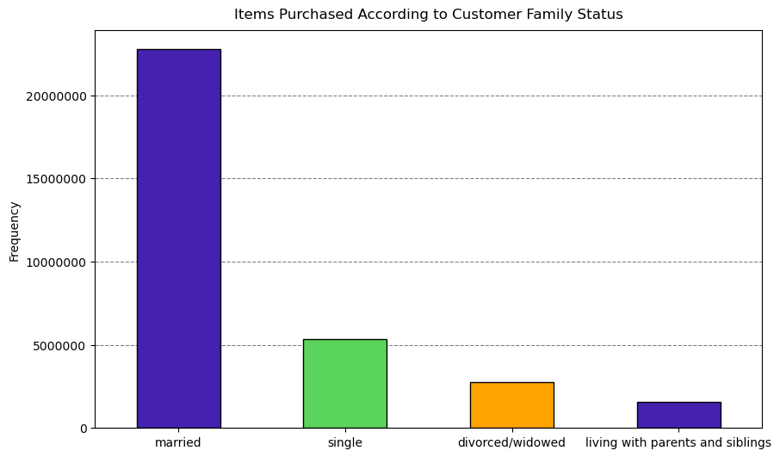
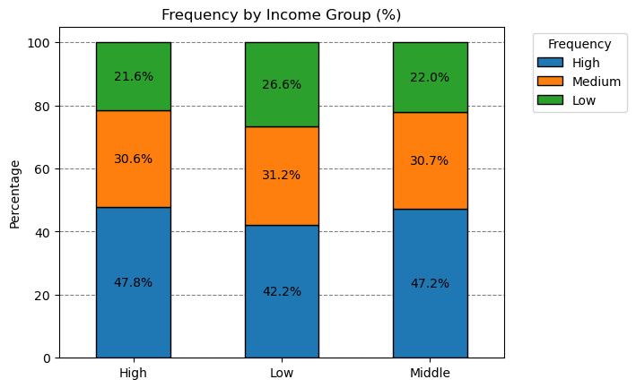
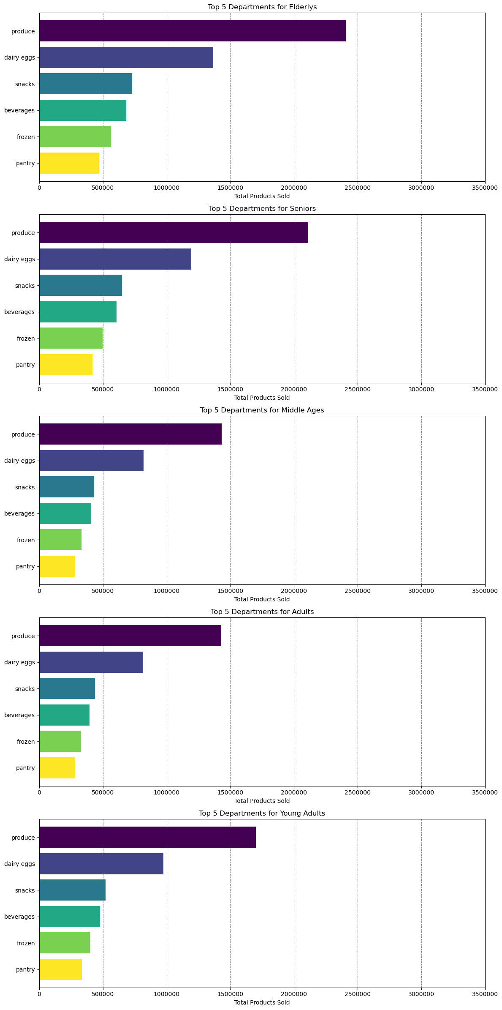
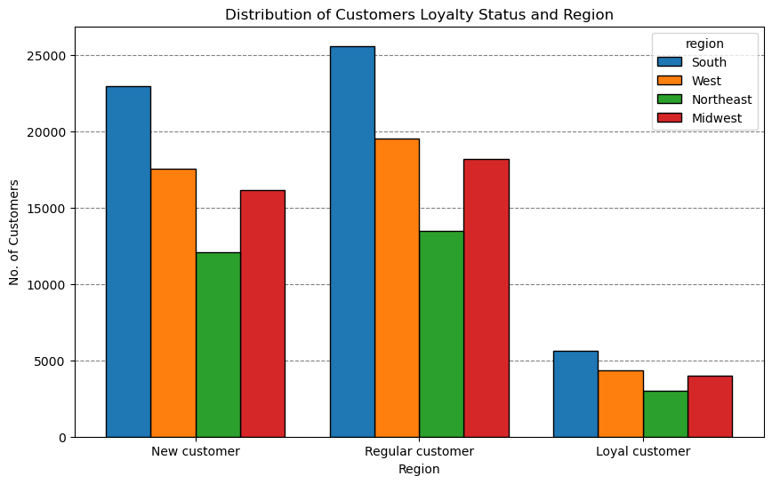
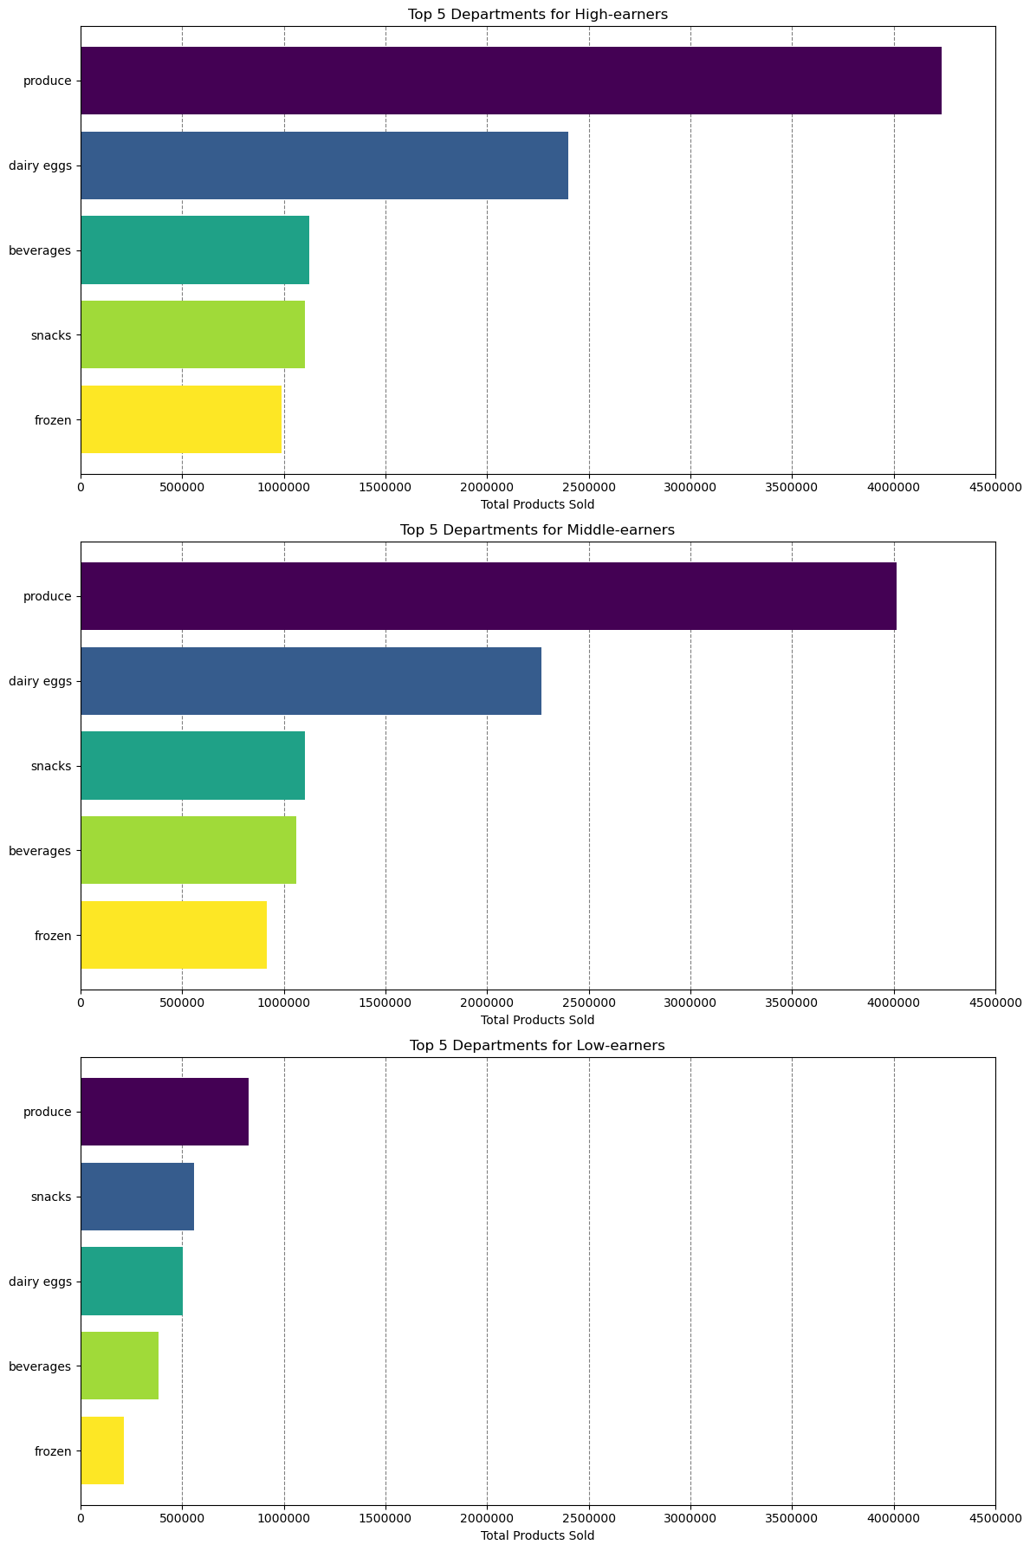
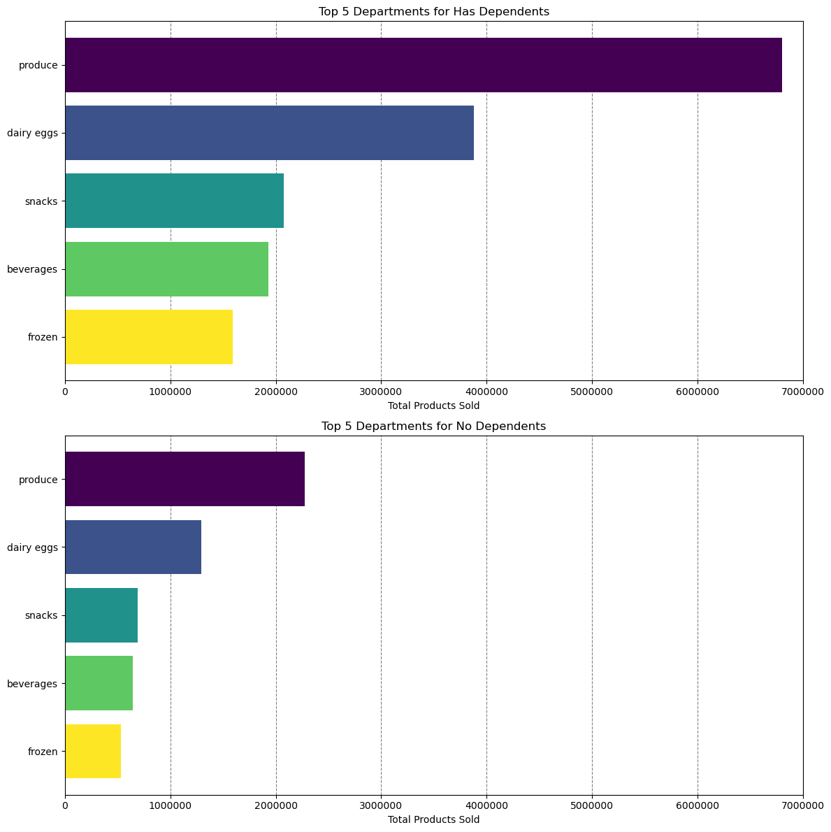
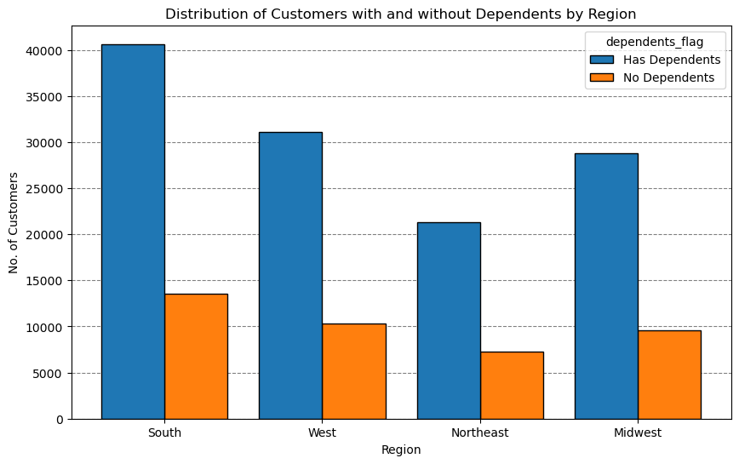
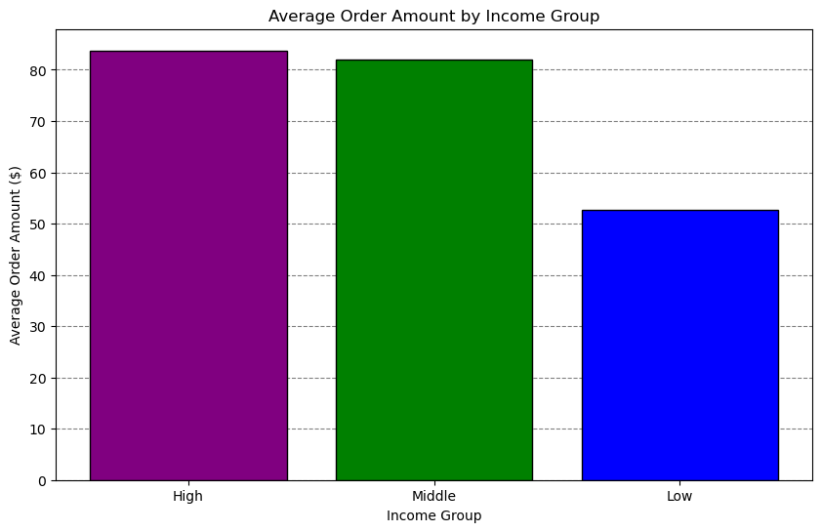
Title page

Visualisations
Visualizations

In this tab you should include all the visualtions from Exercises 4.9 and 4.10, alongside the questions from the project brief that they answer. Include any commentary on the relationship between different variables.

Key Question: "The sales team needs to know what the busiest days of the week and hours of the day are (i.e., the days and times with the most orders) in order to schedule ads at times when there are fewer orders".
Bar chart: Most orders are placed on Saturday and Sunday (days 0 and 1), while there are fewer orders made on weekdays. Midweek is the period with the least orders (days 3 and 4).
Histogram: Most orders tend to occur in the middle of the day, during hours when people would typically be awake and active (between 9am and 4pm). Shoppers may be ordering more often during their lunch breaks or at the end of the typical workday. Many orders occur slightly earlier and slightly indicating customers with alternate work and activity schedules. Shopping on non-work days like the weekend would fit into wakeful hours based on the rest of the week. Unsurprisingly, fewer orders happen over night in the very late to very early hours.
Key Question: "The sales team needs to know what the busiest days of the week and hours of the day are (i.e., the days and times with the most orders) in order to schedule ads at times when there are fewer orders".
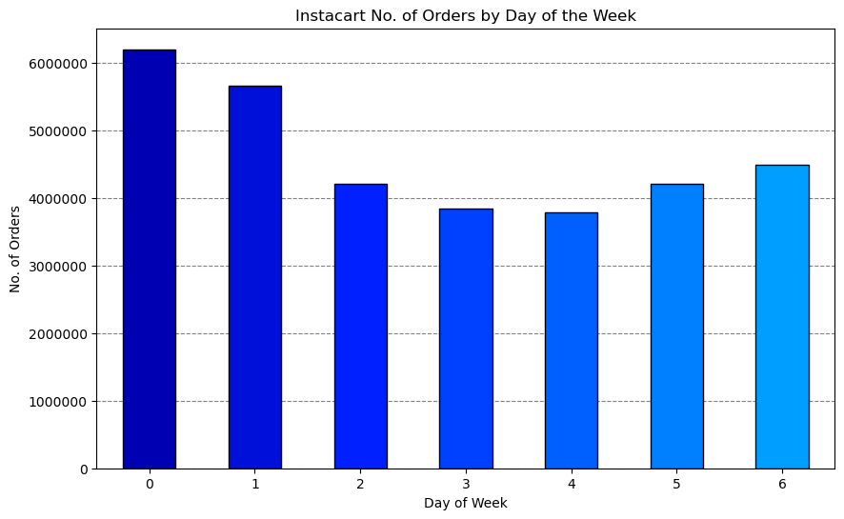


Key Question: "They also want to know whether there are particular times of the day when people spend the most money, as this might inform the type of products they advertise at these times".
Line graph: Shows the average prices of products sold during the different hours of the day. Although there is not much variance in the average (note the y-axis steps up in intervals of 2.5 cents), the average is highest during late-night/early-morning orders, peaking at 4am to 5am.
Noting previous graphs, it appears more orders occur during the middle of the day, but the average price per product sold is higher in late night and early morning hours.
Key Question: "They also want to know whether there are particular times of the day when people spend the most money, as this might inform the type of products they advertise at these times".
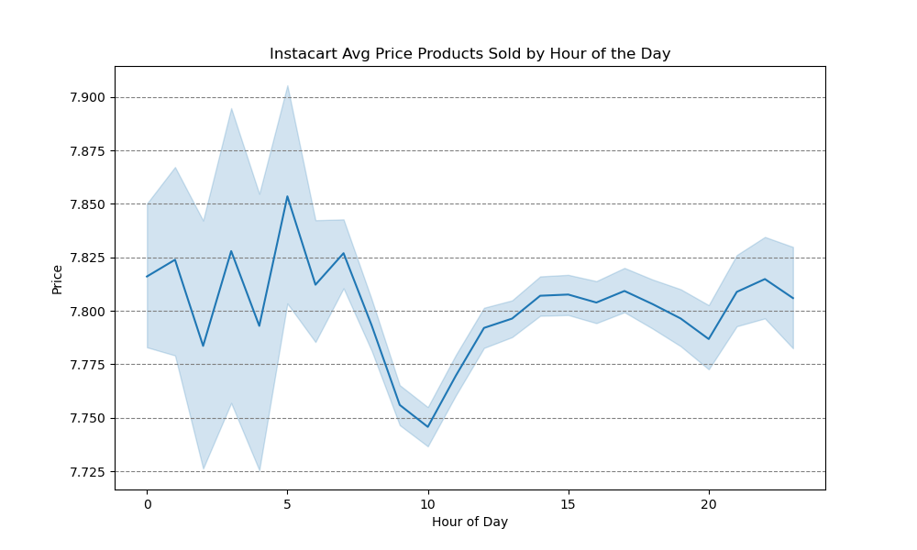

Key Question: "Are there certain types of products that are more popular than others? The marketing and sales teams want to know which departments have the highest frequency of product orders."
Bar chart: The bar chart shows the most popular products (by far) come from produce. The next most ordered from departments are dairy/eggs, snacks, beverages, and frozen.
Note: Individual produce products would likely be ordered many at a time (apples, avocados, etc.), while other items aren't as likely to be wordered several at a time.
Key Question: "Are there certain types of products that are more popular than others? The marketing and sales teams want to know which departments have the highest frequency of product orders."
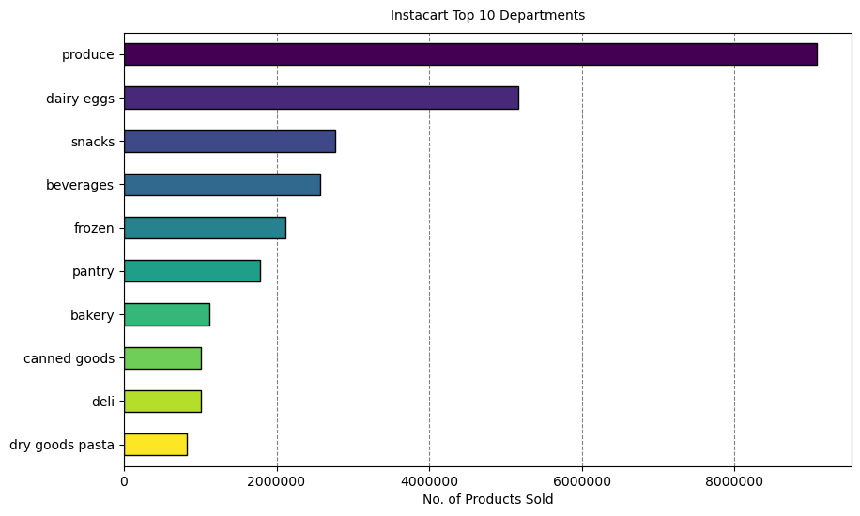

Key Question: "What’s the distribution among users in regards to their brand loyalty (i.e., how often do they return to Instacart)"?
Left bar graph: In terms of distribution, there are far more new customers than there are regular or loyal customers. This either indicates recent growth or many one-time customers.
Right bar graph: By definition and the way loyalty status is determined, regular and loyal customers contribute more to sales (as in # of items sold).
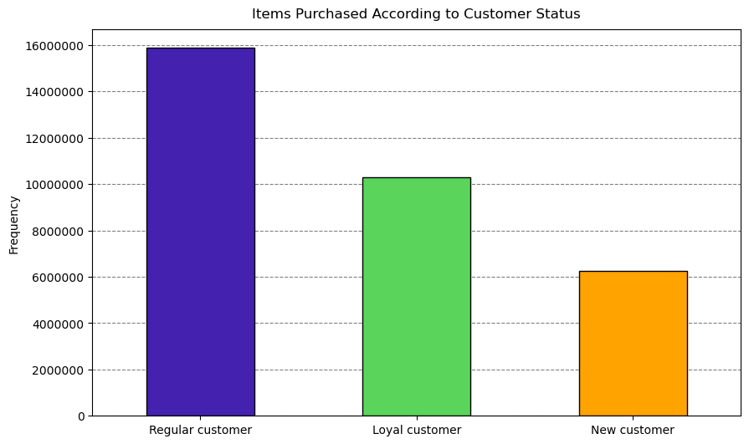
Key Question: "What’s the distribution among users in regards to their brand loyalty (i.e., how often do they return to Instacart)"?
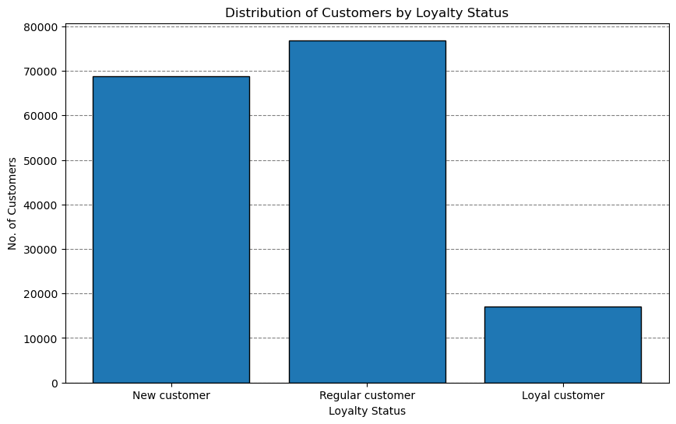

Key Question: "Are there differences in ordering habits based on a customer's loyalty status"?
Note: The graphs show that the average order total and average product price is close to equal between each grouping of customer's. It would seem loyalty status is not an indicator of specific ordering habits, although further analysis into other ordering habits may be needed.
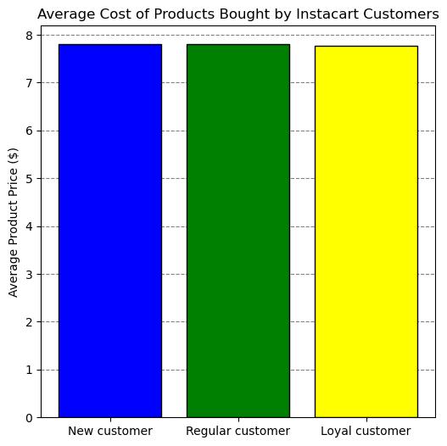
Key Question: "Are there differences in ordering habits based on a customer's loyalty status"?
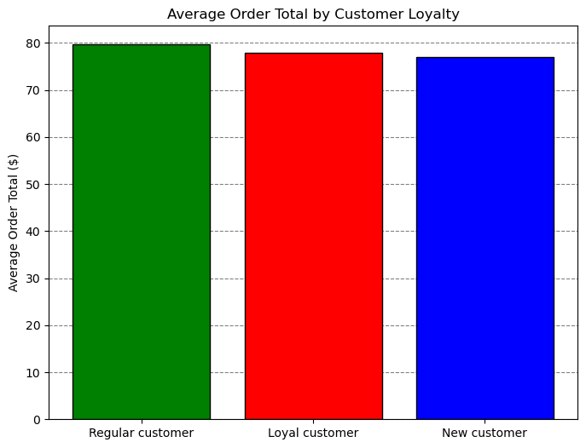

Key Question: "Are there differences in ordering habits based on a customer's region"?
Note: The charts show department sales are proportional across regions. More products have likely been purchased in southern states because more customers are located there.
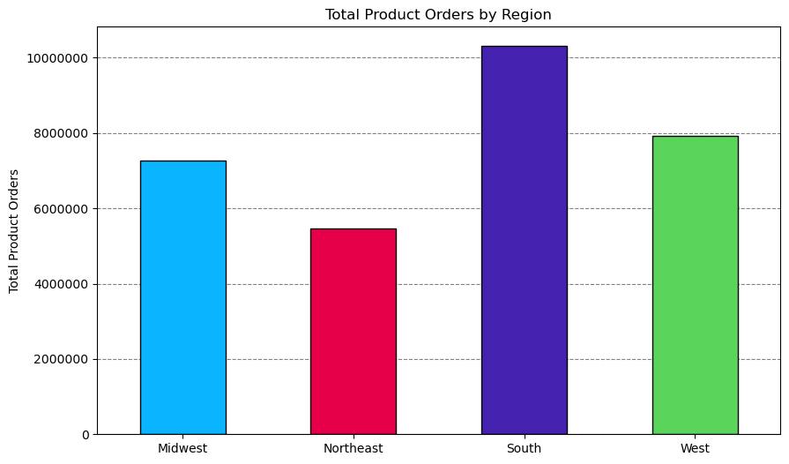
Key Question: "Are there differences in ordering habits based on a customer's region"?
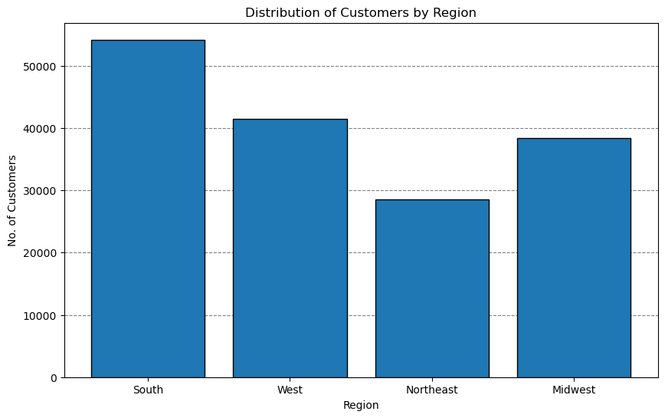

Key Question: "What different classifications does the demographic information suggest?
The pie charts show the segmentation of instacart's customer-base by 3 different profiling variables
Age: The age group categories are based typical socially accepted age groups and age ranges typical of major life changes such as college, marriage, retirement, loss of independence.
Income: The income groups were based on distributions of household incomes in the U.S. during 2022 .
Most of instacart's customers fit into the high and middle income categories.
Dependents: This category is based on whether a customer has a dependent(s) .
Mostcustomers have a dependent(s) (75%).
Key Question: : "What different classifications does the demographic information suggest?
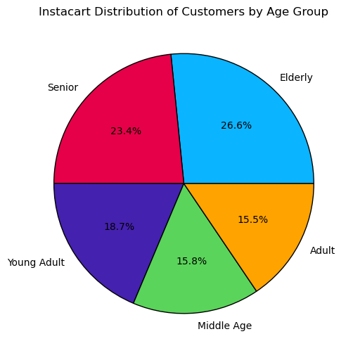
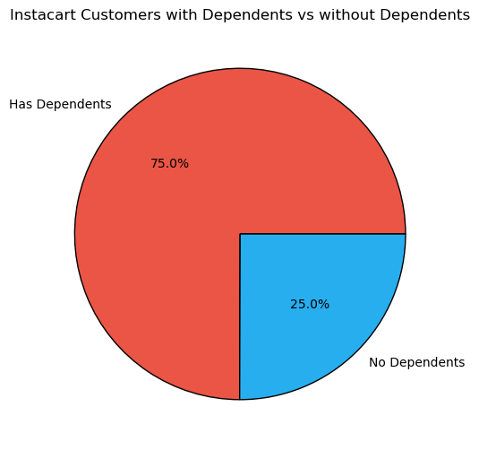
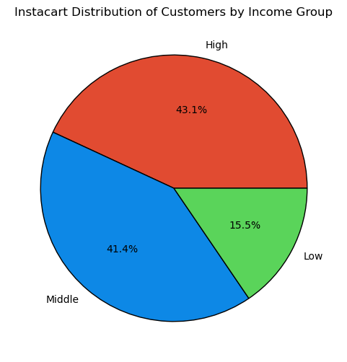

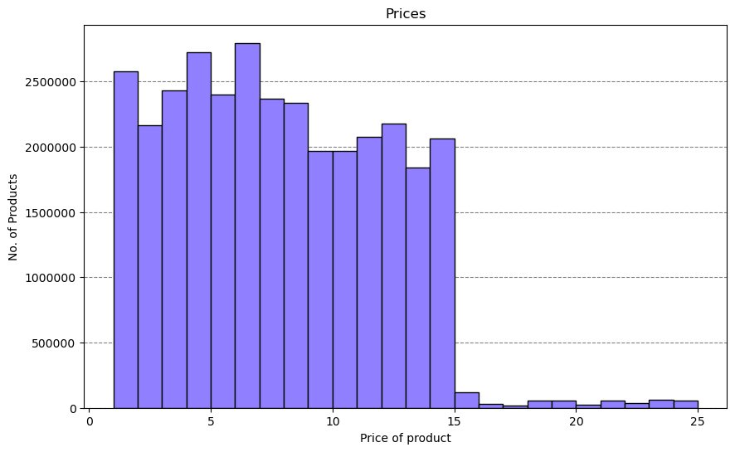
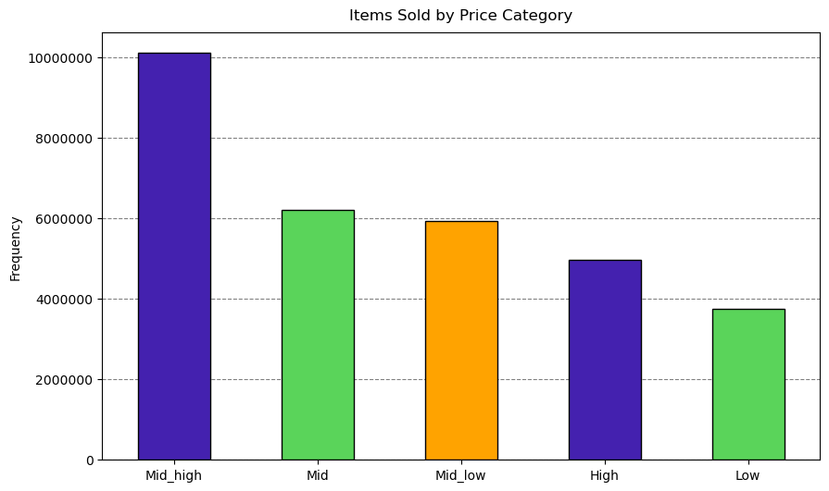
Key Question: "Instacart has a lot of products with different price tags. Marketing and sales want to use simpler price range groupings to help direct their efforts".
Commentary: Price ranges have been added to data for each product.
- Low-range: equal to or less than $2,5
- Mid_low-range: greater than $2.5 and less than or equal to $5
- Mid-range: greater than $5 and less than or equal to $7.5
- Mid_high-range: greater than $7.5 and less than $12.5
- High-range: greater than or equal to $12.5
Making only 3 categories made for too many products in a single price range and seemed less useful.
Key Question: : "Instacart has a lot of products with different price tags. Marketing and sales want to use simpler price range groupings to help direct their efforts".

REGION CROSS
Key Question: "What differences can you find in ordering habits of different customer profiles? consider the price of orders, frequency of orders, products customers are ordering, and anything else you can think of".
Income: The frequency of orders differs between income groups, low-income customers shop less frequently than High income groups.
The horizontal bar charts show the top departments by total products sold for each income group. High-income and Middle-income customers have very similar department preferences, Low-income customers purchase a higher proportion items form the Snacks department (may likely refect the needs of this group in that more of these customers could be living at home with parents, need for more calorie dense food bang for buck).
Age: All age groups appear to purchase the same amount of items from the same departments
Dependents: Maried customers purchase more total items than other family statuses, having dependents doesn't make a difference in departments that customers tend to buy from.
Region crossed with other variables: Further visual insights also included for possible further exploration and discussion.
Key Question: "What differences can you find in ordering habits of different customer profiles? consider the price of orders, frequency of orders, products customers are ordering, and anything else you can think of".

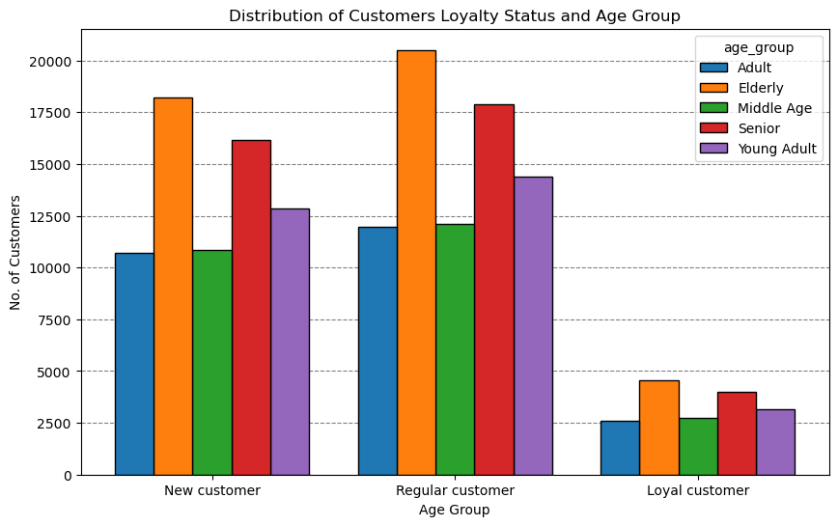

INCOME
FAMILY STATUS & DEPENDENTS
AGE GROUP

7. Recommendations
. | Title page

Recommendations

Marketing / Sales:
(Q3) - Low, mid, and high or Low, Mid-low, Mid, Mid-high, and High price range groupings have been made as options to direct these teams efforts.
(Q7) - Increase marketing in states within the Northeast as this region currently has the least customers, expand efforts in the South to get more from large existing customer base.
Promotions:
(Q1) - Schedule ads between 5pm and 8am since these are the times with the fewest orders, price drops on High priced items during midday to attract sales on these products from this group which is likely different than late night shoppers.
(Q1) - The fewest sales occur on Tuesday and Wednesday, so placing promotions on these days could encourage more sales.
(Q5) - Consider promotion of loyalty programs to encourage customers to order more frequently. Offer subscriptions to set up regular orders once that are ongoing, offer slight prices perent decreases for subsribed products for loyalty customers.
Other/Further Analysis:
(Q2) - Average purchased product price is highest in the early morning hours. Should analyse the types of products purchased during these.
(Q9) - Consider investigating students and adult dependents shopping and offer senior and student member/loyalty programs and discounts.
(Q10) - High-income customers can spend more, but show similar ordering habits to middle-earners. Survey high-income customers to determine what they would like to see at Instacart to encourage greater spending, target wealthy regions and customer base with ads that put a focus on quality over thriftiness.

Key Questions

Key Question 1: "The sales team needs to know what the busiest days of the week and hours of the day are (i.e., the days and times with the most orders) in order to schedule ads at times when there are fewer orders".

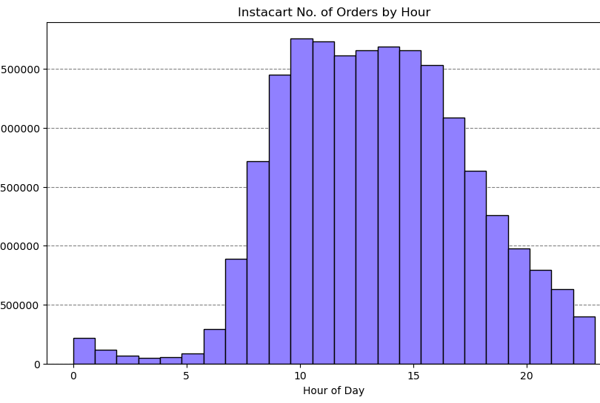
Instacart No. of Orders by hours

Answer: The busiest days are Saturday and Sunday (0 and 1)
Answer: The busiest times are between 9am and 5pm

Key Question 2: "They also want to know whether there are particular times of the day when people spend the most money, as this might inform the type of products they advertise at these times".

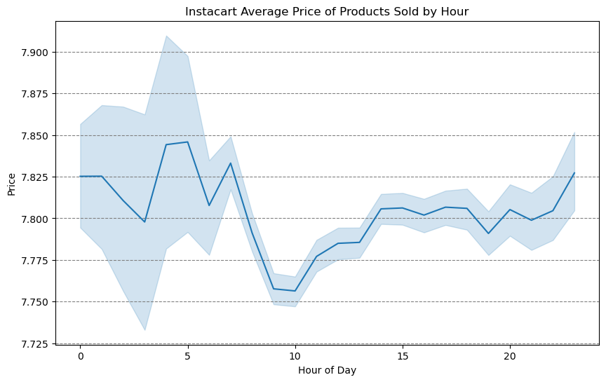

Answer: The average price of a sold product is slightly greater during late-night/early-morning hours. Tthe average varies the most during these times.
In terms of the order total, customers making orders around 8pm-11pm spend more on average during these times.

Key Question 3: "Instacart has a lot of products with different price tags. Marketing and sales want to use simpler price range groupings to help direct their efforts".

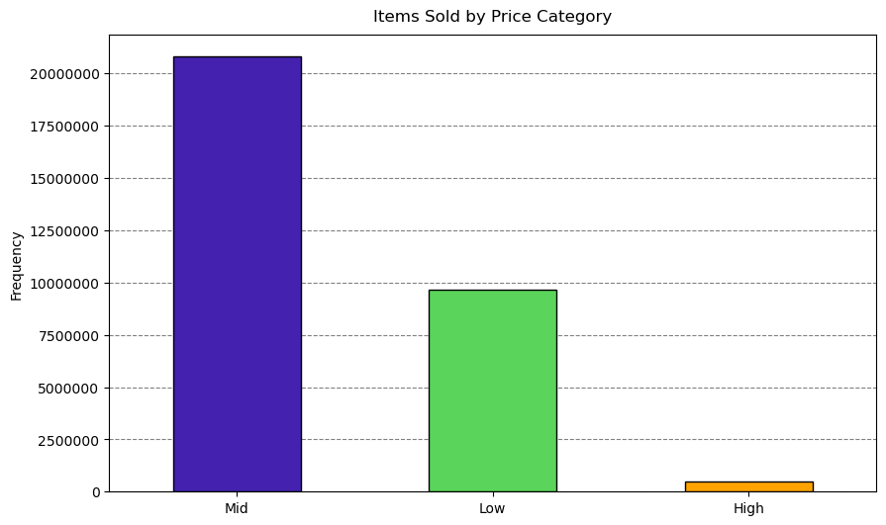

> $7.5 - <$12.5

> $5 - < $15

$5 - <$7.5

$2.5 - <$5
< $5
$15+
$12.5+
<= $2.5

Code reference

Answer: Low-range products are less than or equal to $2.5, mid-low-range $2.5 to less than $5, mid-range products are greater than $5 and less than or equal to $7.5, mid-high-range products are greater than $7.5 to less than 12.5, and high-range products are $12.5 and above.

Key Question 4: "Are there certain types of products that are more popular than others? The marketing and sales teams want to know which departments have the highest frequency of product orders."

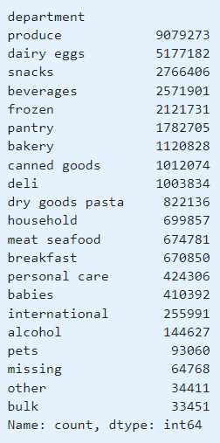

Answer: Produce leads product orders, followed by dairy/eggs, snacks, beverages and frozen. This shows most items purchased are from produce which could reflect a preferenc for fresh food products, but could also be due to the way produce is sold. If each individual piece of produce is conted as a separate item. Breaking down top departments by income shows that the main difference is in the second most popular department for low income customers is Snacks instead of Dairy/Eggs like for High and Mid income customers. This income range may need more calorie dense food for the money spent or larger amounts of cheaper foods. Consider sales on dairy in regions with more low income customers, more ads for snacks in areas nd times with greater concentrations of high and mid income customers.

Key Question 5: "What’s the distribution among users in regards to their brand loyalty (i.e., how often do they return to Instacart)"?

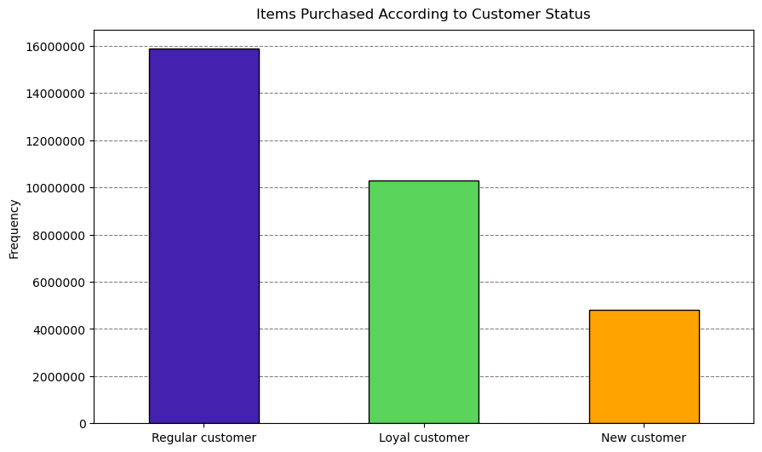

Answer: The majority of customers from the data are "New customers". This could indicate recent growth or fewer return customers.
Note: "Loyal" and "Regular" customers bring in more sales than new customers (since they have more order incidents).

Key Question 6: "Are there differences in ordering habits based on a customer's loyalty status"?

Answer: There is little variation between average order total and average cost per product. Loyalty status is not an indicator of ordering habits based on this data/analysis.

Key Question 7: "Are there differences in ordering habits based on a customer's region"?

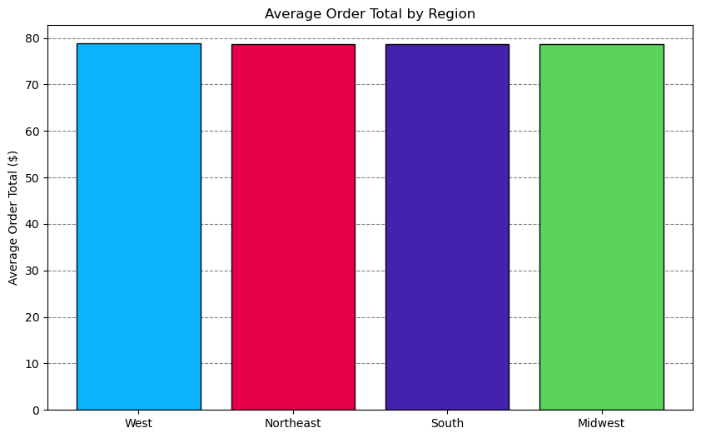

Answer: States in the South region have more customers and order more products than other regions . Average order totals are not significantly different between regions, customers don't spend more or less per order in a particular region.

Key Question 8: "What different classifications does the demographic information suggest"?

Answer: The above pie charts show the distribution of customers age groups, whether they have dependents, and their income class.

Key Question 9: "Is there a connection between age and family status in terms of ordering habits"?

Answer: Those with and without dependents seem to buy from the same departments, but as is logical for smaller family size, those with no dependents buy less. Married customers purchase far more items than single, divorced, widowed, or those living with parents or siblings.

Key Question 10: "What differences can you find in ordering habits of different customer profiles? consider the price of orders, frequency of orders, products customers are ordering, and anything else you can think of".

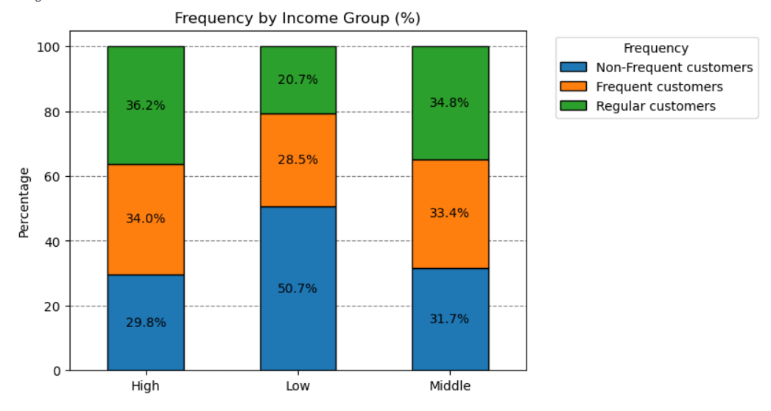

Answer: Income made the biggest impact on shopping differencs compared to other demographics like age, family status, and region.
Mid and High-income earners show similar spending patterns suchs as average order total, order frequency, and department preferences. Low-income earners spend less per order and shop less frequently. Produce is the top department for all groups, but the second-highest department being "Snacks" for low-income earners' could be relevant. Low-income earners may have different shopping priorities and habits, other demographics like age and family status had already been examined, though we did not look at "being a dependent" which could account for students and the elderly with a different situation no explored.

